Instrument Tagging
Instrument Tagging |  | Reference
Insturment Numbering | AAAAAA–BBBBCCCD–FE | I-ET-3000.00-1200-940-P4X-001_C_Section 9.3.2.2.
1st Group (AAAAAA) | Instrument Measured Variable Designation - Mandatory In case an instrument is not covered by Table 9-4 (read in conjunction with ISA-5.1 2009 table 1) and Table 9-5, the instrument’s TAG must be agreed with PETROBRAS. | 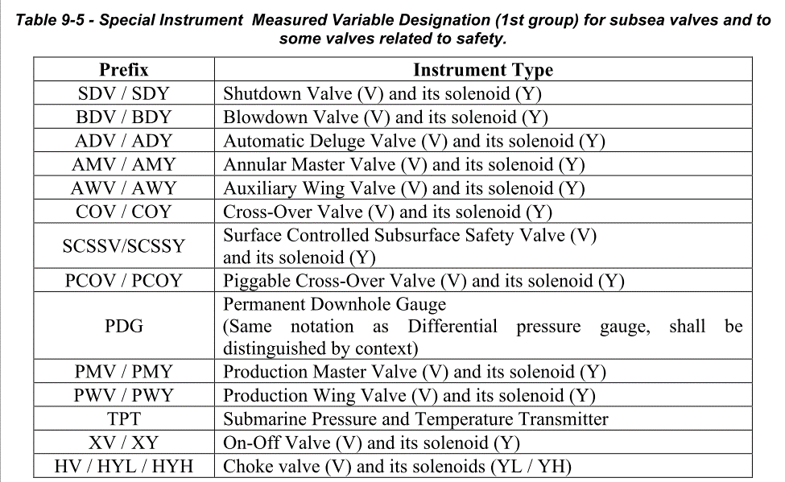 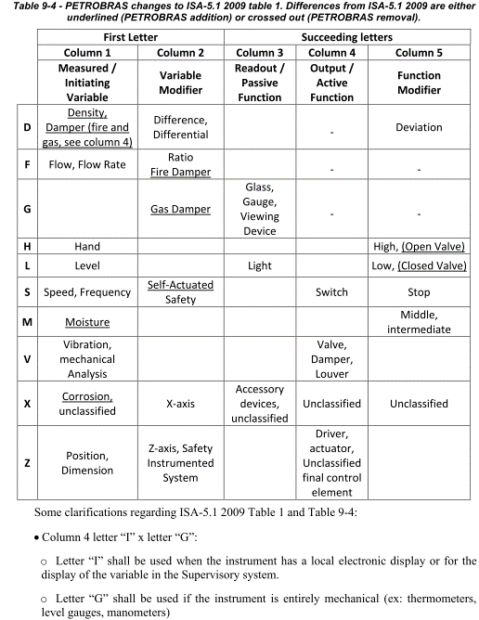 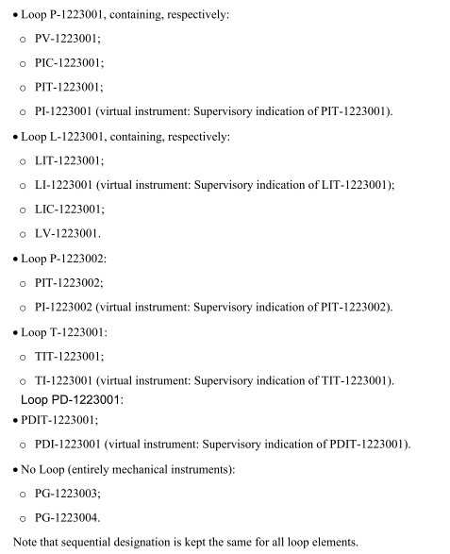
2nd Group (BBBB) | Process system, Area or Unit Designation - Mandatory | A set of 4 digits representing the process system (or, in some cases, the area or unit) to which the instrument belongs. This group shall follow EXHIBIT III codes and requirements.
3rd Group (CCC) | Sequential Designation - Mandatory | A set of 3 numbers indicating the sequential order of the instrument type. • 001-499 → Topsides instruments and equipment • 500-799 → Hull instruments and equipment • 800-999 → Package-units and CLLI instruments and equipment This numbering shall be consistent inside the process system, area or unit. See section 9.2.3 of I-ET-3000.00-1200-940-P4X-001_C for the PETROBRAS sequential numbering logic for instrument tagging.
4th Group (D) | Alphabetic code suffix - Optional | This character is used to distinguish identical loops that perform the same function in similar systems, similarly to what is done in Annex 1. See example 9.3.3.2 of I-ET-3000.00-1200-940-P4X-001_C for clarification. Voting instruments does not use the 4th group for tagging.
5th Group (E) | Numeric code suffix - Optional | A digit is used to discern, in terms of capacity/range extension or voting, the TAGs of instruments that perform the same function in the same process system, area or unit. By voting it is meant that all involved instruments are operating and their output is compared by the logic solver in order to decide on the final control action. • Loop P-1223001 → Generates ESD signal o PIT-1223001-1 o PIT-1223001-2 o PIT-1223001-3 o PSHH-1223001 o PAHH-1223001 • Loop XV-1223001 → Receives ESD signal o SDV-1223001 o SDY-1223001-1 o SDY-1223001-2 o ZSL-1223001 o ZSH-1223001
6th Group (F) | Extra character - Optional | An extra digit or character is used to indicate further redundancies or subdivisions. For an example, see Section I-ET-3000.00-1200-940-P4X-001_C 9.3.3.8. When the 5th and 6th groups are not used (FE), the last hyphen must be suppressed. • For compressor C-UC-1254001A o PSV-1254001A-A ▪ First PSV of compressor C-UC-1254001A o PSV-1254001A-B ▪ Second PSV of compressor C-UC-1254001A o PSV-1254001A-C ▪ Third (Spare) PSV of compressor C-UC-1254001A • For compressor C-UC-1254001B o PSV-1254001B-A o PSV-1254001B-B o PSV-1254001B-C

Instrument Loop Tagging
Loop Tagging |  | Reference
Loop Numbering | AAA–BBBBCCCD | I-ET-3000.00-1200-940-P4X-001_C_Section 9.3.1.2.
1st Group (AAA) | Loop Measured Variable Designation – Mandatory o A set of 1-3 characters as per section I-ET-3000.00-1200-940-P4X-001_C_9.3.1.3. o In case an instrument is not covered by Table 9-3 or the first 2 columns of Table 9-4 (read in conjunction with ISA-5.1 2009 Table 1), the Loop’s TAG must be agreed with PETROBRAS. | 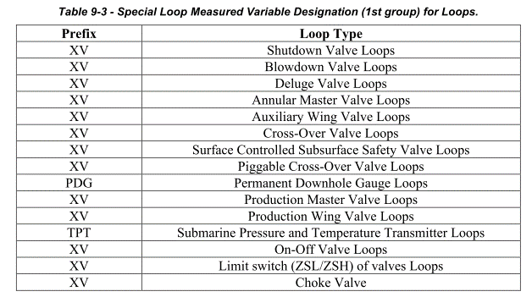 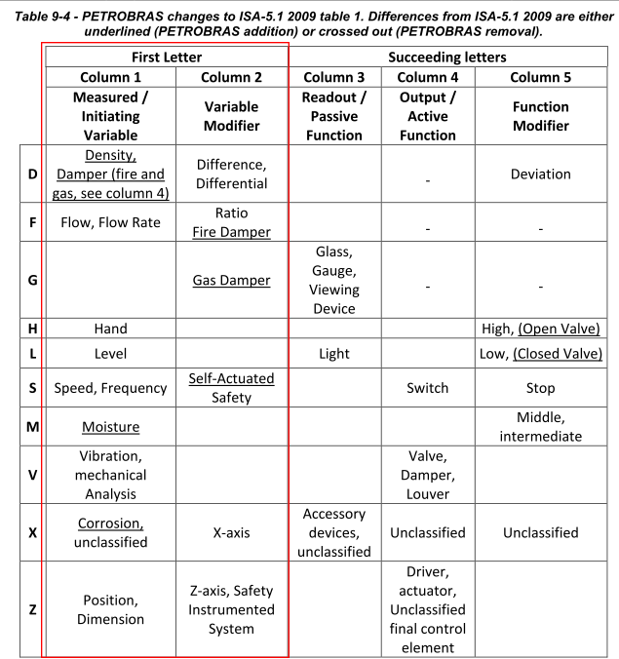
2nd Group (BBBB) | Process system, Area or Unit Designation - Mandatory A set of 4 digits representing the process system (or, in some cases, the area or unit) to which the instrument belongs. This group shall follow EXHIBIT III codes and requirements. | EXHIBIT III codes
3rd Group (CCC) | Sequential Designation - Mandatory o A set of 3 numbers indicating the sequential order of the instrument type. This numbering shall be consistent inside the process system, area or unit. See section 9.2.3 for the PETROBRAS sequential numbering logic for instrument tagging. By “consistent”, it is meant that instruments that belong to the same loop shall have the same sequential number. | • Valves with Limit switches or position indicators o Valves with limit switches and position indicators (generally SDV, BDV, ADV, XV, HV, AMV, SCSSV, other subsea valves, ..) shall have serial numbering, to ensure that their accessories shall never have the same TAG. This is performed by setting the loop prefix “XV-” to all of these valves. • Flow Measurement Loop or Multivariable Loop o In case a loop contains more than one measured variable, then the loop’s sequential number shall not be repeated for the variables involved. Example 9.3.3.3 clarifies this rule. A set of 3 numbers indicating the sequential order of the instrument type. • 001-499 → Topsides instruments and equipment • 500-799 → Hull instruments and equipment • 800-999 → Package-units and CLLI instruments and equipment This numbering shall be consistent inside the process system, area or unit. See section 9.2.3 of I-ET-3000.00-1200-940-P4X-001_C for the PETROBRAS sequential numbering logic for instrument tagging. Suppose pumps B-1223002A/C are arranged in a redundant configuration and that there are three pressure instruments, each one measuring the discharge pressure of each pump. Loops and instruments TAGs are: • For pump B-1223002A → Loop P-1223003A, containing PIT-1223003A • For pump B-1223002B → Loop P-1223003B, containing PIT-1223003B • For pump B-1223002C → Loop P-1223003C, containing PIT-1223003C
4th Group (D) | Alphabetic code suffix - Optional o This character is used to distinguish identical loops that perform the same function in similar systems, similarly to what is done in Annex 1. See example 9.3.3.2 for clarification. Voting instruments does not use the 4th group for tagging.

Detector Tagging
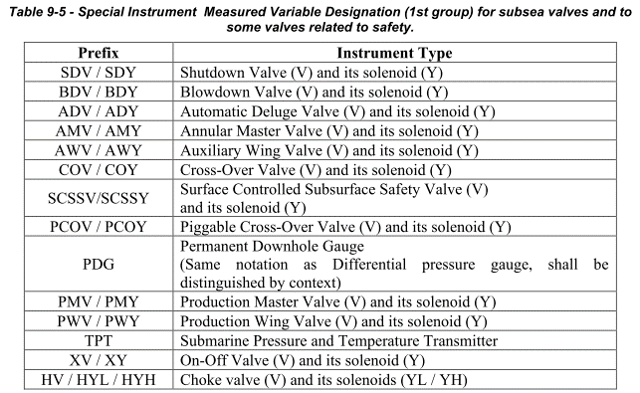
Fire and Gas Detector Tagging |  | Reference
Detector Numbering | TTT–GGG–MMM–ZZZ–LXXXT–V | I-ET-3000.00-1200-940-P4X-001_C_Section 9.3.5.2
1st Group (TTT) | Prefix Fire and Gas instrument Type AST Gas detector UST Flame/Fire detector YST Smoke detector HSS Manual alarm pushbutton TST Heat (Thermo-velocimetric) detector | I-ET-3000.00-1200-940-P4X-001_C_Section 9.3.5.2
2nd Group (GGG) | Gas Type Designation – Mandatory only for AST same as I-ET-3000.00-1200-940-P4X-001_C section 9.3.4.2. | I-ET-3000.00-1200-940-P4X-001_C_Section 9.3.5.2
3rd Group (MMM) | Module or Hull section – Mandatory Same as I-ET-3000.00-1200-940-P4X-001_C section 9.3.4.2. | I-ET-3000.00-1200-940-P4X-001_C_Section 9.3.5.2
4th Group (ZZZ) | Same as I-ET-3000.00-1200-940-P4X-001_C section 9.3.4.2. | I-ET-3000.00-1200-940-P4X-001_C_Section 9.3.5.2
5th Group (L) | Same as I-ET-3000.00-1200-940-P4X-001_C section 9.3.4.2. | I-ET-3000.00-1200-940-P4X-001_C_Section 9.3.5.2
6th Group (XXX) | Sequential numbering | I-ET-3000.00-1200-940-P4X-001_C_Section 9.3.5.2
7th Group (T) | Subtype indicator - optional | I-ET-3000.00-1200-940-P4X-001_C_Section 9.3.5.2
8th Group (V) | Voting indicator - optional | I-ET-3000.00-1200-940-P4X-001_C_Section 9.3.5.2

Inst Junction box Tagging
Insturment Junction box Numbering |  | Reference | RFQ No | System | Sequential number Range |  | Remark
Insturment Junction box Numbering | JBYY-AAAA-NNN | I-ET-3000.00-1200-940-P4X-001_C _9.3.8. | I-009 | CSS | 001 | 149 | (PSD= 101~149, FGS=001~099)
1st Group (YY) | • Y defines the type of signal, where: o C = control signals (PCS); o I = interlock signals (PSD), non-fire resistant cables; o IF = interlock signals (PSD/FGS), fire resistant cables; o S = power supply signals; | I-ET-3000.00-1200-940-P4X-001_C _9.3.8. | I-011 | HSTS | 150 | 179
2nd Group (AAAA) | AAAA defines the area or unit; | I-ET-3000.00-1200-940-P4X-001_C _9.3.8. | I-012 | MMS | 180 | 199
3rd NNN | NNN defines the sequential number of the JB | I-ET-3000.00-1200-940-P4X-001_C _9.3.8. Refer to below allocation for each Subsystem • First Control Junction box of module 08. o JBC-1418-001 • Third Interlock FGS (containing fire resistant cables) Junction box of module 10. o JBIF-1421-003 | I-013 | HSHMS | 200 | 209
 |  |  | I-017 | HULL ADDRESSABLE FIRE DETECTION SYSTEM | 210 | 219 | If required
 |  |  | I-019 | ANALYZER (Inert Gas System) | 220 | 229
 |  |  | I-020 | OIL-IN-WATER ANALYZER (TOG) | 230 | 239
 |  |  | TBD | Hull HC Gas Detection Sampling | 240 | 249
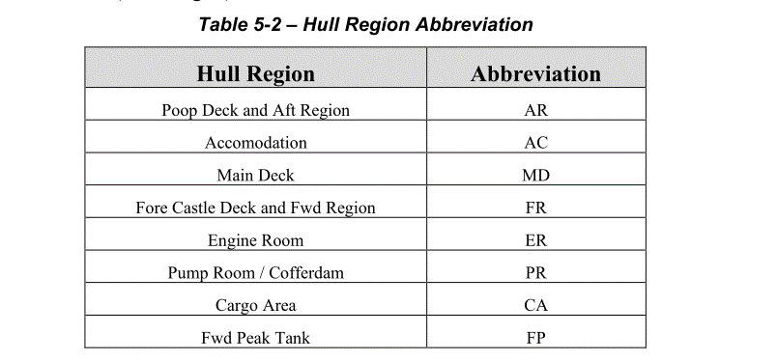
 |  |  | TBD | HVAC (HHI) | 300 | 329 | 전계장
 |  |  | TBD | HVAC (Vendor) | 330 | 379 | 구조
 |  |  | HO-01A | OFFLOADING SYSTEM | 400 | 409 | 시스템
 |  |  | HO-01B | Bunkering SYSTEM - DIESEL OIL AND FRESH WATER HOSE REEL | 410 | 419 | 시스템
 |  |  | HO-01C | PULL IN WINCH | 420 | 429 | 시스템
 |  |  | HO-03 | LIFE SAVING APPLIANCE | 430 | 439 | 시스템
 |  |  | HO-06 | LIFE & RESCUE BOAT | 440 | 449 | 시스템
 |  |  | HO-31 | MOORING SYSTEM *powered equipment only | 450 | 459 | 시스템
 |  |  | HQ-06 | START UP AIR COMPRESSOR | 460 | 469 | 시스템
 |  |  | HQ-15 | EMERGENCY & AUXILIARY GENERATOR | 470 | 479 | 시스템
 |  |  | HQ-21 | FIRE WATER PUMP | 480 | 489 | 시스템
 |  |  | HQ-25 | HYDRAULIC SUBMERGED PUMP | 490 | 519 | 시스템
 |  |  | HQ-31 | CENTRIFUGAL PUMPS | 520 | 529 | 시스템
 |  |  | HQ-32 | PROGRESSIVE CAVITY PUMP | 530 | 539 | 시스템
 |  |  | HQ-33 | Diaphragm Pump | 540 | 549 | 시스템
 |  |  | HQ-34 | Reciprocating Pump | 550 | 559 | 시스템
 |  |  | HQ-44A | Filter(Self Cleaning) | 560 | 569 | 시스템
 |  |  | HQ-50 | Diesel Oil Purifier | 570 | 579 | 시스템
 |  |  | HQ-54 | Oily Water Separator | 580 | 589 | 시스템
 |  |  | HQ-54A | Slop Discharge System Hydrocyclone | 590 | 599 | 시스템
 |  |  | HQ-5A | Marine Growing Protection Package | 600 | 609 | 시스템
 |  |  | HQ-5C | Offloading Transfer Metering Skid | 610 | 619 | 시스템
 |  |  | HQ-81 | Inert Gas Generator | 620 | 639 | 시스템
 |  |  | HQ-82 | Refueling System | 640 | 649 | 시스템
 |  |  | HQ-84 | Calorifier | 650 | 659 | 시스템
 |  |  | HQ-85 | Potable Water Maker | 660 | 669 | 시스템
 |  |  | HQ-86 | Sewage Treatment Package | 670 | 679 | 시스템
 |  |  | HQ-88 | Hydrophore | 680 | 689 | 시스템
 |  |  | HF-21 | Foam Skid | 690 | 699 | 시스템
 |  |  | HF-22 | Deluge Skid | 700 | 709 | 시스템
 |  |  | HF-23 | CO2 System | 710 | 719 | 시스템
 |  |  | TBD | Hull Gen | 801 | 850 | M15B
 |  |  | TBD | Ari Compressor | 851 | 870 | M15B
 |  |  | HO-04 | LIFE SAVING APPLIANCE (Personal Equipment) | NA | NA
 |  |  | HQ-44 | Filter | NA | NA
 |  |  | HQ-64 | Shell and Tube Heat Exchanger | NA | NA
 |  |  | HQ-65 | Plate Type Heat Exchanger | NA | NA
 |  |  | HQ-72 | Material Handling Equipment | NA | NA
 |  |  | HQ-89 | Tank Cleaning Machine | NA | NA
 |  |  | HQ-96 | Instrument / Service Air Receiver | NA | NA
 |  |  | HQ-99 | ATM Tank | NA | NA
 |  |  | HF-20 | Fixed/Loose Fire Fighting Eqiupment | NA | NA

